Sheet1
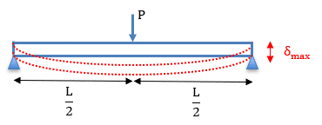
INSTRUCTIONS FOR STUDENTS: |  |  |  |  |  |  |  |  | Material Properties
1 - Record the dimensions 'b' and 'h'
2 - Calculate the second moment of area |  |  |  |  |  |  |  | Aluminium |  | Elastic Modulus | 72 | GPa
3 - Calculate the predicted deflection using the bending equation |  |  |  |  |  |  |  |  |  |  | 7.20E+10 | Pa
4 - Run the load tests (see lab sheet for guidance) and record your results below

Beam Dimensions |  |  |  |  |  |  |  |  | Calculations/Results

Beam Cross Section | L (m) | b (mm) | h (mm) | b (m) | h (m) | I mm4 | I m4 | Applied Load (N) |  | PREDICTED Deflection (m) | < (mm) | TEST Deflection (mm)
Rectangle | 0.15 |  |  | 0.00000 | 0.00000 |  | 0.000E+00 | 700
Rectangle | 0.15 | 12.8 | 6.5 | 0.01280 | 0.00650 | 292.9 | 2.929E-10 | 700 |  | 0.0023 | 2.33
i-Beam | 0.15 |  |  | 0.00000 | 0.00000 |  | 0.000E+00 | 700
Square Tube | 0.15 |  |  | 0.00000 | 0.00000 |  | 0.000E+00 | 700
Square (Solid) | 0.15 | 12.6 | 12.6 | 0.01260 | 0.01260 | 2100.4 | 2.100E-09 | 700 |  | 0.0003 | 0.33

